E-Mail DH_01-10-25
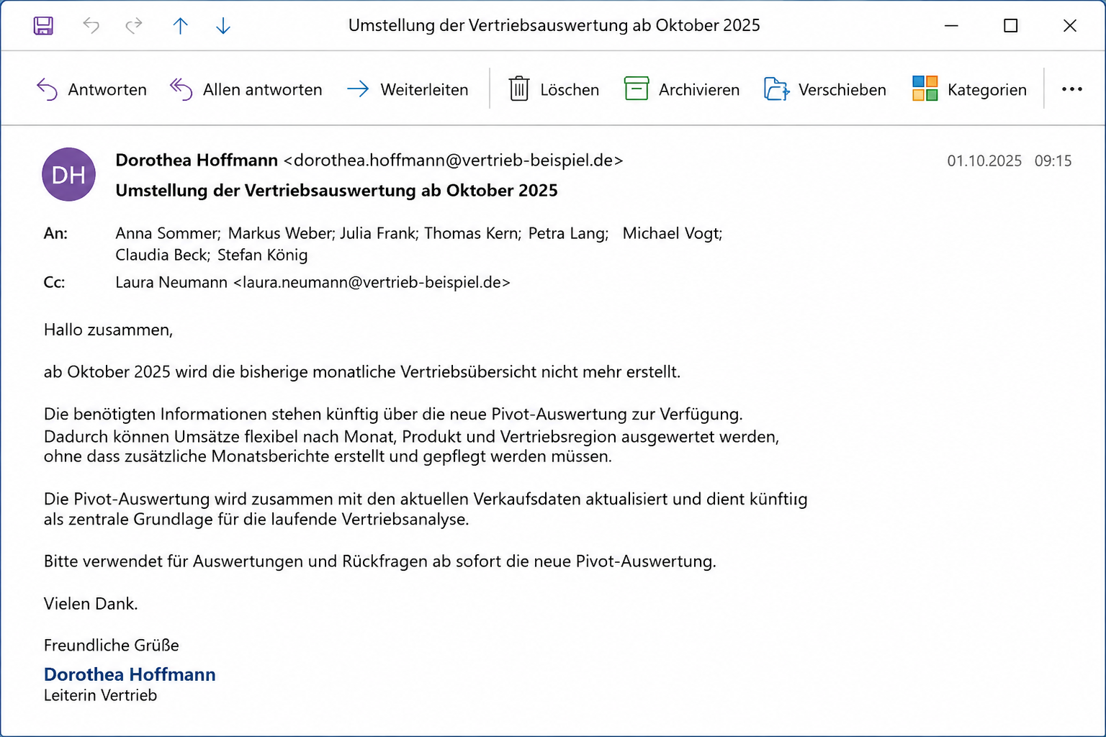

Auswertungen
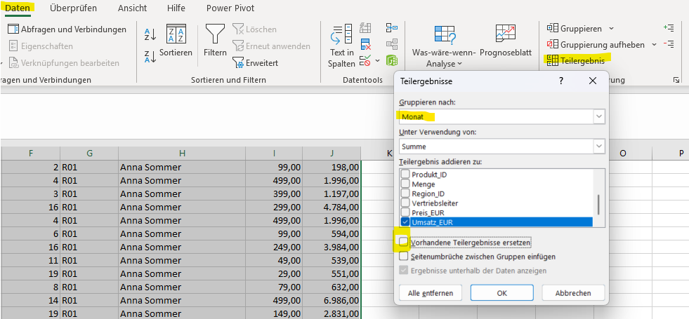
Folgende Auswertungen sind hinterlegt

Pivot-Übersicht | Hier werden die monatlichen Umsätze pro Produkt angezeigt

 | Achtung: Nach dem Ergänzen der Gesamtverkäufe müssen die Daten aktualisiert werden

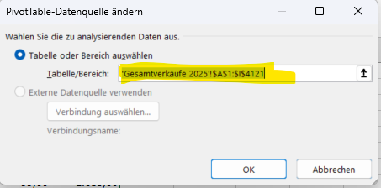
 | Falls nicht alle Daten vorhanden sind, unbedingt den Datenbereich überprüfen und ggf. anpassen:

Jahresumsatz je Vertriebsleiter | Hier wird der Jahresumsatz je Vertriebsleiter und Monat angezeigt - zweistufig über Teilergebnis

Vorgehensweise: | Gesamtverkäufe 2025 in neues Datenblatt kopieren
 | Spalte C einfügen für Monat und beschriften mit Monat
 | Monatsformel: =MONAT(B2) in die zweite Zeile eintragen und bis ganz nach unten ziehen; Achtung: Format muss auf Standard stehen
 | Daten sortieren: | alles markieren mit Strg a
 |  | rechte Maustaste - Sortieren - Benutzerdefiniertes Sortieren
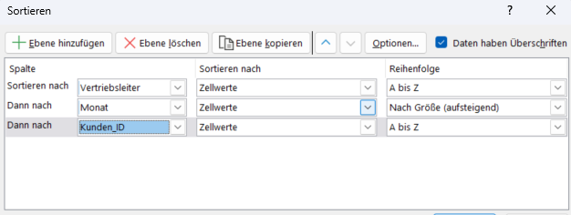

 | Teilergebnis erzeugen: | alles markieren mit Strg a
 |  | Daten - Teilergebnis - Gruppieren nach Vertriebsleiter

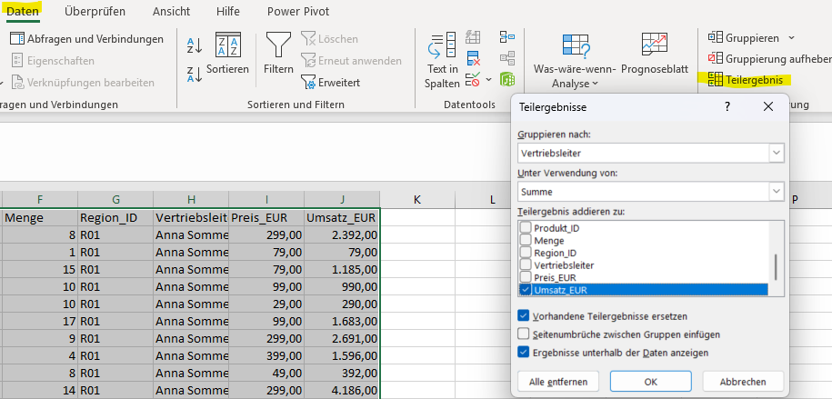

 | 2. Teilergebnis integrieren: | alles markieren mit Strg a
 |  | Daten - Teilergebnis - Gruppieren nach Monat - Haken bei "vorhandene Teilergebnisse entfernen" rausnehmen

